UserBranch
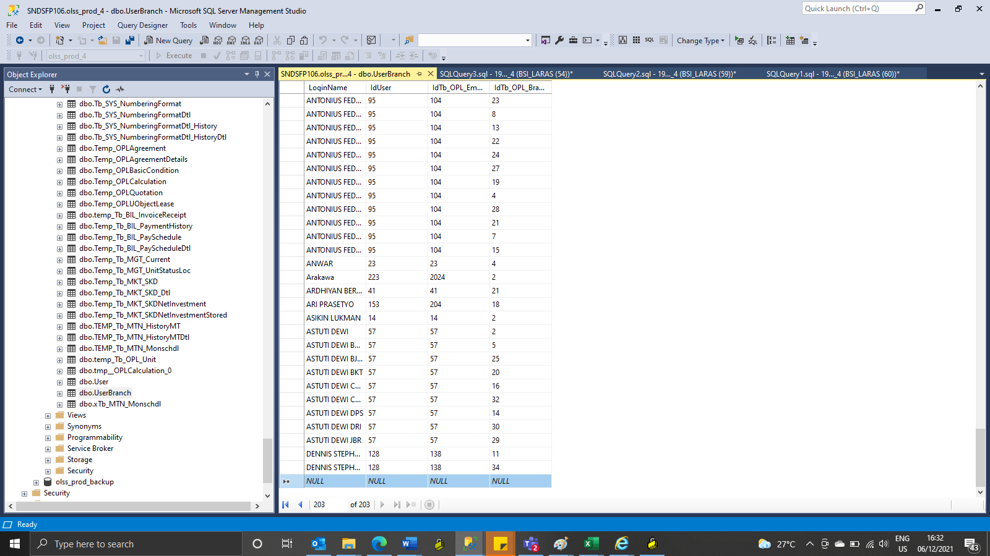
LoginName | IdUser | IdTb_OPL_Employee | IdTb_OPL_Branch
DENNIS STEPHANUS JKS | 128 | 138 | 11
DENNIS STEPHANUS TGR | 128 | 138 | 34

